Foglio1
Photo | COD-INTER. | DESCRIPTION | DESCRIPTION EST. | UdM | Availability | Bottles
 | MACK-FNTCMSC555 | NOVANTACEPPI MOSCATO PUGLIA IGP 2020 | BVS | 6 X 75 CL | 12.50 % VOL | CT | 2,519 | 15,114
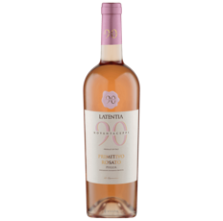 | MACK-FNTCPRM089 | NOVANTACEPPI PRIMITIVO ROSATO PUGLIA | IGP 2018 | 6 X 75 CL | 12.00 % VOL | CT | 77 | 462
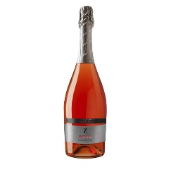 | MACK-FZRDRST382 | SPUMANTE ZARDETTO ROSATO EXTRA DRY | EU | 6 X 75 CL | 12.00 % VOL | CT | 180 | 1,080
 | MACK-FZRDRST487 |  | EU | 6 X 75 CL | 11.50 % VOL | CT | 1,079 | 6,474
 | MACK-FNTCFIA501 | NOVANTACEPPI FIANO PUGLIA IGP | IGP 2020 - 6 X 75 CL | 12.50 % VOL | CT | 99 | 594
 | MACK-FNTCFIN015 |  | IGP 2016 - 6 X 75 CL | 12.50 % VOL | CT | 1,050 | 6,300
 | MACK-FNTCFIA079 |  | IGP 2017 - 6 X 75 CL | 12.50 % VOL | CT | 520 | 3,120
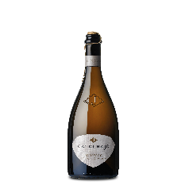 | MACK-FCDPSPG097 | VINO FRIZZANTE SPAGO CA' DI PRATA PROSECCO | DOC | 6 X 75 CL | 10.50 % VOL | CT | 933 | 5,596
 | MACK-FPMCBNC329 | SPUMANTE PORTA MONTICANO BIANCO | BRUT MILLESIMATO 2019 | 6 X 75 CL | 11.00 % VOL | CT | 662 | 3,972
 | MACK-FCDPPRS094 | SPUMANTE CA' DI PRATA PROSECCO | DOC BRUT MILLESIMATO 2017 | 6 X 75 CL | 11.00 % VOL | CT | 548 | 3,288
 | MACK-FCDPRIB096 | SPUMANTE CA' DI PRATA RIBOLLA GIALLA | BRUT | 6 X 75 CL | 11.00 % VOL | CT | 80 | 480
 | MACK-FPMCRST381 | SPUMANTE PORTA MONTICANO ROSATO | EXTRA DRY | 6 X 75 CL | 12.00 % VOL | CT | 347 | 2,082
 | MACK-FZAAPRS360 | SPUMANTE SAN MOR PROSECCO DOCG | EXTRA BRUT 2019 | 6 X 75 CL | 11.50 % VOL | CT | 144 | 864
 | MACK-FZAAPRS335 |  | BRUT RIVE DI COZZUOLO 2014 | 6 X 75 CL | 11.50 % VOL | CT | 70 | 420
 | MACK-FZAAPRS336 |  | BRUT RIVE DI COZZUOLO 2015 | 6 X 75 CL | 11.50 % VOL | CT | 140 | 840
 | MACK-FZARDCG208 | SPUMANTE ZARDETTO PROSECCO DOCG | BRUT LONG CHARMAT | 12 X 75 CL | 11.50 % VOL | CT | 120 | 1,440
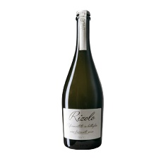 | MACK-FZAARZL441 | BOTTIGLIA VINO FRIZZANTE RIZOLO SUR LIE BIANCO | 1 X 75 CL | 11.00 % VOL | SEMILAVORATO | CT | 162 | 162
 | MACK-FZAPPRS369 | ZOLAR PINOT GRIGIO DELLE VENEZ |  | CT | 673 | 4,038
 | MACK-FZAPBIO384 | SPUMANTE ZOLAR PROSECCO |  | CT | 160 | 960
 | MACK-FZAPPRS361 | SPUMANTE ZOLAR PROSECCO |  | CT | 108 | 648
 | MACK-FZAPPRF380 | SPUMANTE ZOLAR BIANCO BRUT |  | CT | 149 | 894
 | MACK-FPMCVRD373 | PORTA MONTICANO VERDISO VINO BIANCO |  | CT | 400 | 2,400
 | MACK-FCDPPNG210 | CA DI PRATI PINOT GRIGIO |  | CT | 95 | 570
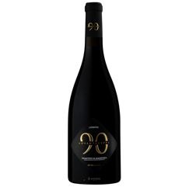 | MACK-FNTCMND551 | PRIMIT MANDURIA NOVANTAC |  | CT | 64 | 384
 | MACK-FNTCPNG281 | PINOT GRIGIO 90CEPPI DOC FRIUL |  | CT | 52 | 312
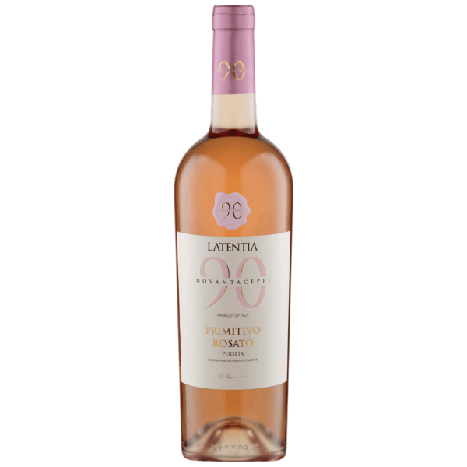 | MACK-FNTCPRM273 | PRIMIT ROSAT NOVANTACEPPI |  | CT | 30 | 180
 | MACK-FZAARZL441 | VINO FRIZZANTE RIZOLO SUR LIE |  | CT | 27 | 162
 |  |  |  | Totale | 10,488 | 66,784

